Post
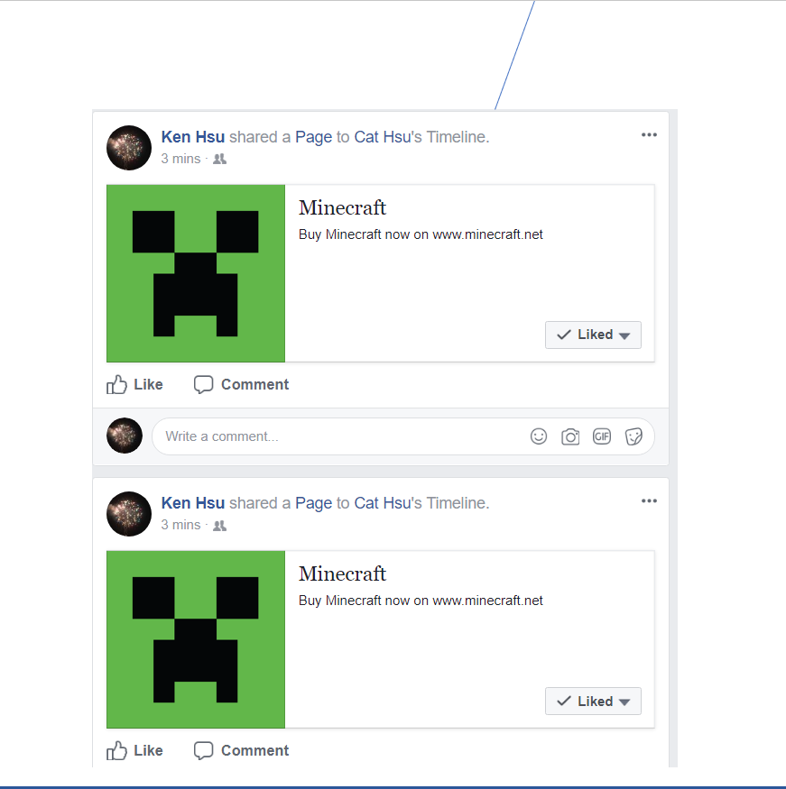
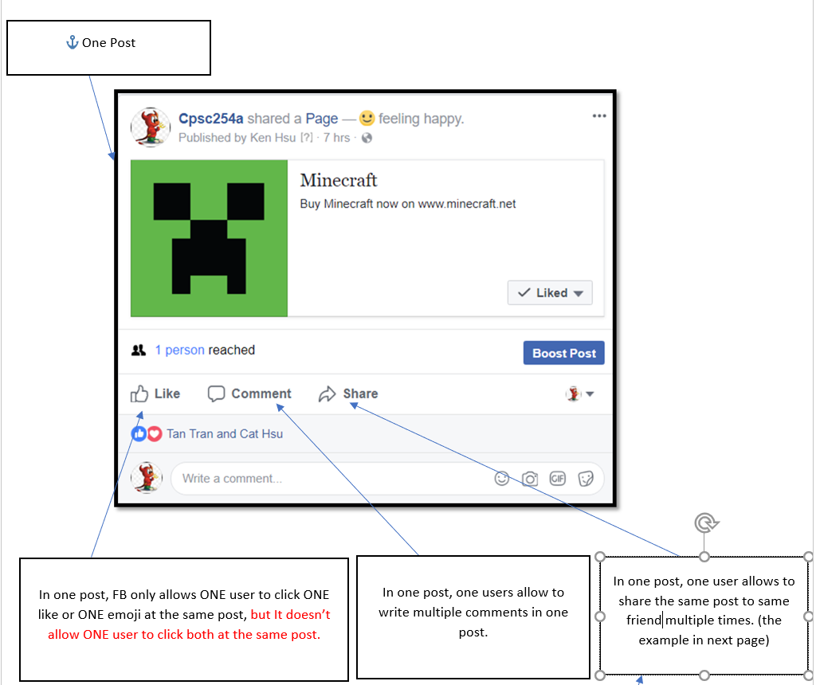
POST ID | POST | USER ID | CONTENT | TOTAL REACTION | REACTION ID | TOTAL COMMENT | COMMENT ID | TOTAL SHARE | SHARE ID
1 | 0 | 12457609 | https://minecraft.net/en-us/ | 5 | 10023 | 7 | 10012 | 7 | 10030
2 | 1 | 12457609 | https://minecraft.net/en-us/ | 2 | 10024 | 2 | 10013 | 2 | 10031
3 | 2 | 12457609 | https://minecraft.net/en-us/ | 3 | 10025 | 2 | 10014 | 2 | 10032
4 | 3 | 12457609 | https://minecraft.net/en-us/ | 4 | 10026 | 1 | 10015 | 1 | 10033
5 | 0 | 78452390 | https://www.pokemongo.com/ | 3 | 10027 | 2 | 10016 | 2 | 10034
6 | 1 | 78452390 | https://www.pokemongo.com/ | 2 | 10028 | 3 | 10017 | 3 | 10035
7 | 2 | 78452390 | https://www.pokemongo.com/ | 1 | 10029 | 2 | 10018 | 2 | 10036
8 | 0 | 90573478 | https://clashofclans.com/ | 1 | 10030 | 2 | 10019 | 1 | 10037
9 | 1 | 90573478 | https://clashofclans.com/ | 5 | 10031 | 2 | 10020 | 1 | 10038
10 | 2 | 90573478 | https://clashofclans.com/ | 3 | 10032 | 2 | 10021 | 2 | 10039
11 | 0 | 12378359 | http://doomanddestiny.com/ | 2 | 10033 | 1 | 10022 | 1 | 10040
12 | 1 | 12378359 | http://doomanddestiny.com/ | 1 | 10034 | 1 | 10023 | 1 | 10041
13 | 2 | 12378359 | http://doomanddestiny.com/ | 2 | 10035 | 3 | 10024 | 1 | 10042
14 | 3 | 12378359 | http://doomanddestiny.com/ | 3 | 10036 | 2 | 10025 | 2 | 10043
15 | 0 | 89237812 | http://candycrushsaga.com/en/ | 1 | 10037 | 1 | 10026 | 3 | 10044
16 | 1 | 89237812 | http://candycrushsaga.com/en/ | 4 | 10038 | 1 | 10027 | 2 | 10045
17 | 2 | 89237812 | http://candycrushsaga.com/en/ | 1 | 10039 | 2 | 10028 | 2 | 10046
18 | 3 | 89237812 | http://candycrushsaga.com/en/ | 1 | 10040 | 2 | 10029 | 1 | 10047
 |  |  |  |  | hide |  | hide |  | hide

 | I have to assume there are five game players. Each players are crazy about one of the games. When one player posts,
 | it means he shares news for his favorite game. Based on this theory, if other players give a lot of wow or haha in his reaction reponse.
 | so I can know he is the popular players.

 | Instead, to prove a player is an active player, this player must have high percetnage of quality point to prove how this player
 | loves this game. For example, only give wow for his loved game or only shares his loved game to his game when he sees the game news is posed in FB

Reaction
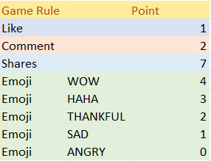
REACTION ID | POST | USER ID | WOW | HAHA | THANKFUL | SAD | ANGRY | SUBTOTAL | USER ID | TOTAL | AVERAGE | RANK | WOW COUNT | HAHA COUNT | THANKFUL COUNT | SAD COUNT | ANGRY COUNT
10023 | 0 | 12457609 | 0 | 0 | 1 | 0 | 0 | 2 | 12457609 | 19 | 24% | 3 | 0 | 2 | 6 | 1 | 0
10023 | 1 | 78452390 | 0 | 0 | 0 | 1 | 0 | 1 | 78452390 | 10 | 13% | 2 | 0 | 0 | 1 | 8 | 0
10023 | 2 | 90573478 | 0 | 0 | 1 | 0 | 0 | 2 | 90573478 | 25 | 31% | 5 | 4 | 0 | 4 | 1 | 1
10023 | 3 | 12378359 | 0 | 0 | 0 | 0 | 1 | 0 | 12378359 | 2 | 3% | 1 | 0 | 0 | 1 | 0 | 8
10023 | 4 | 89237812 | 1 | 0 | 0 | 0 | 0 | 4 | 89237812 | 24 | 30% | 4 | 6 | 0 | 0 | 0 | 0
10024 | 0 | 78452390 | 0 | 0 | 0 | 1 | 0 | 1 |  | 80
10024 | 1 | 12378359 | 0 | 0 | 1 | 0 | 0 | 2
10025 | 0 | 12457609 | 0 | 1 | 0 | 0 | 0 | 3 |  |  |  |  | SCALE point | 4 | 3 | 2 | 1 | 0
10025 | 1 | 78452390 | 0 | 0 | 0 | 1 | 0 | 1 |  |  |  |  | 5 is the highest point. 1 is the lowest point
10025 | 2 | 90573478 | 1 | 0 | 0 | 0 | 0 | 4
10026 | 0 | 89237812 | 1 | 0 | 0 | 0 | 0 | 4
10026 | 1 | 12378359 | 0 | 0 | 0 | 0 | 1 | 0
10026 | 2 | 90573478 | 1 | 0 | 0 | 0 | 0 | 4 |  |  |  | USER ID | TOTAL | QUALITY | RANK | WOW COUNT | HAHA COUNT | THANKFUL COUNT | SAD COUNT | ANGRY COUNT
10026 | 3 | 78452390 | 0 | 0 | 1 | 0 | 0 | 2 | https://minecraft.net/en-us/ |  |  | 12457609 | 5 | 250.00% | 3 |  | 1 | 1
10027 | 0 | 12457609 | 0 | 0 | 1 | 0 | 0 | 2 |  |  |  | 78452390 | 5 | 125.00% | 2 |  |  | 1 | 3
10027 | 1 | 78452390 | 0 | 0 | 0 | 1 | 0 | 1 |  |  |  | 90573478 | 10 | 333.33% | 4 | 2 |  | 1
10027 | 2 | 90573478 | 0 | 0 | 1 | 0 | 0 | 2 |  |  |  | 12378359 | 2 | 66.67% | 1 |  |  | 1 |  | 2
10028 | 0 | 78452390 | 0 | 0 | 0 | 1 | 0 | 1 |  |  |  | 89237812 | 8 | 400.00% | 5 | 2
10028 | 1 | 90573478 | 0 | 0 | 1 | 0 | 0 | 2
10029 | 0 | 12457609 | 0 | 0 | 1 | 0 | 0 | 2
10030 | 1 | 12378359 | 0 | 0 | 0 | 0 | 1 | 0 | https://www.pokemongo.com/ |  |  | USER ID | TOTAL | QUALITY | RANK | WOW COUNT | HAHA COUNT | THANKFUL COUNT | SAD COUNT | ANGRY COUNT
10031 | 0 | 89237812 | 1 | 0 | 0 | 0 | 0 | 4 |  |  |  | 12457609 | 4 | 200% | 5 |  |  | 2
10031 | 1 | 90573478 | 1 | 0 | 0 | 0 | 0 | 4 |  |  |  | 78452390 | 2 | 100% | 4 |  |  |  | 2
10031 | 2 | 78452390 | 0 | 0 | 0 | 1 | 0 | 1 |  |  |  | 90573478 | 4 | 200% | 5 |  |  | 2
10031 | 3 | 12378359 | 0 | 0 | 0 | 0 | 1 | 0 |  |  |  | 12378359 | 0 | 0% | 1
10031 | 4 | 12457609 | 0 | 0 | 1 | 0 | 0 | 2 |  |  |  | 89237812 | 0 | 0% | 1
10032 | 0 | 12457609 | 0 | 0 | 0 | 1 | 0 | 1
10032 | 1 | 78452390 | 0 | 0 | 0 | 1 | 0 | 1
10032 | 2 | 90573478 | 0 | 0 | 0 | 1 | 0 | 1 | https://clashofclans.com/ |  |  | USER ID | TOTAL | QUALITY | RANK | WOW COUNT | HAHA COUNT | THANKFUL COUNT | SAD COUNT | ANGRY COUNT
10033 | 0 | 12378359 | 0 | 0 | 0 | 0 | 1 | 0 |  |  |  | 12457609 | 3 | 150% | 3 |  |  | 1 | 1
10033 | 1 | 12457609 | 0 | 0 | 1 | 0 | 0 | 2 |  |  |  | 78452390 | 3 | 100% | 2 |  |  |  | 3
10034 | 0 | 12457609 | 0 | 1 | 0 | 0 | 0 | 3 |  |  |  | 90573478 | 7 | 233% | 4 | 1 |  | 1 | 1
10035 | 0 | 89237812 | 1 | 0 | 0 | 0 | 0 | 4 |  |  |  | 12378359 | 0 | 0% | 1 |  |  |  |  | 3
10035 | 1 | 78452390 | 0 | 0 | 0 | 1 | 0 | 1 |  |  |  | 89237812 | 4 | 400% | 5 | 1
10036 | 0 | 90573478 | 0 | 0 | 1 | 0 | 0 | 2
10036 | 1 | 12457609 | 0 | 0 | 1 | 0 | 0 | 2
10036 | 2 | 12378359 | 0 | 0 | 0 | 0 | 1 | 0 | http://doomanddestiny.com/ |  |  | USER ID | TOTAL | QUALITY | RANK | WOW COUNT | HAHA COUNT | THANKFUL COUNT | SAD COUNT | ANGRY COUNT
10037 | 0 | 89237812 | 1 | 0 | 0 | 0 | 0 | 4 |  |  |  | 12457609 | 7 | 233% | 4 |  | 1 | 2
10038 | 0 | 12378359 | 0 | 0 | 0 | 0 | 1 | 0 |  |  |  | 78452390 | 1 | 100% | 2 |  |  |  | 1
10038 | 1 | 89237812 | 1 | 0 | 0 | 0 | 0 | 4 |  |  |  | 90573478 | 2 | 200% | 3 |  |  | 1
10038 | 2 | 90573478 | 1 | 0 | 0 | 0 | 0 | 4 |  |  |  | 12378359 | 0 | 0% | 1 |  |  |  |  | 2
10038 | 3 | 78452390 | 0 | 0 | 0 | 1 | 0 | 1 |  |  |  | 89237812 | 4 | 400% | 5 | 1
10039 | 0 | 90573478 | 0 | 0 | 1 | 0 | 0 | 2
10040 | 0 | 12378359 | 0 | 0 | 0 | 0 | 1 | 0
 |  |  |  |  |  |  |  |  | https://www.pokemongo.com/ |  |  | USER ID | TOTAL | QUALITY | RANK | WOW COUNT | HAHA COUNT | THANKFUL COUNT | SAD COUNT | ANGRY COUNT
 |  |  |  |  |  |  |  |  |  |  |  | 12457609 | 0 | 0% | 1
 |  |  |  |  |  |  |  |  |  |  |  | 78452390 | 1 | 100% | 3 |  |  |  | 1
 |  |  |  |  |  |  |  |  |  |  |  | 90573478 | 6 | 300% | 4 | 1 |  | 1
 |  |  |  |  |  |  |  |  |  |  |  | 12378359 | 0 | 0% | 1 |  |  |  |  | 2
 |  |  |  |  |  |  |  |  |  |  |  | 89237812 | 8 | 400% | 5 | 2

 |  |  |  |  |  |  |  |  |  |  |  |  | TOTAL = SCALE POINT X ( WOW COUNT + HAHA COUT + THANKFUL COUNT + SAD COUNT + ANGRY COUNT)
 |  |  |  |  |  |  |  |  |  |  |  |  | QUALITY = TOTAL / SAM OF WOW, HAHA, THANKFUL SAD AND ANGRY COUNT

